Moorings
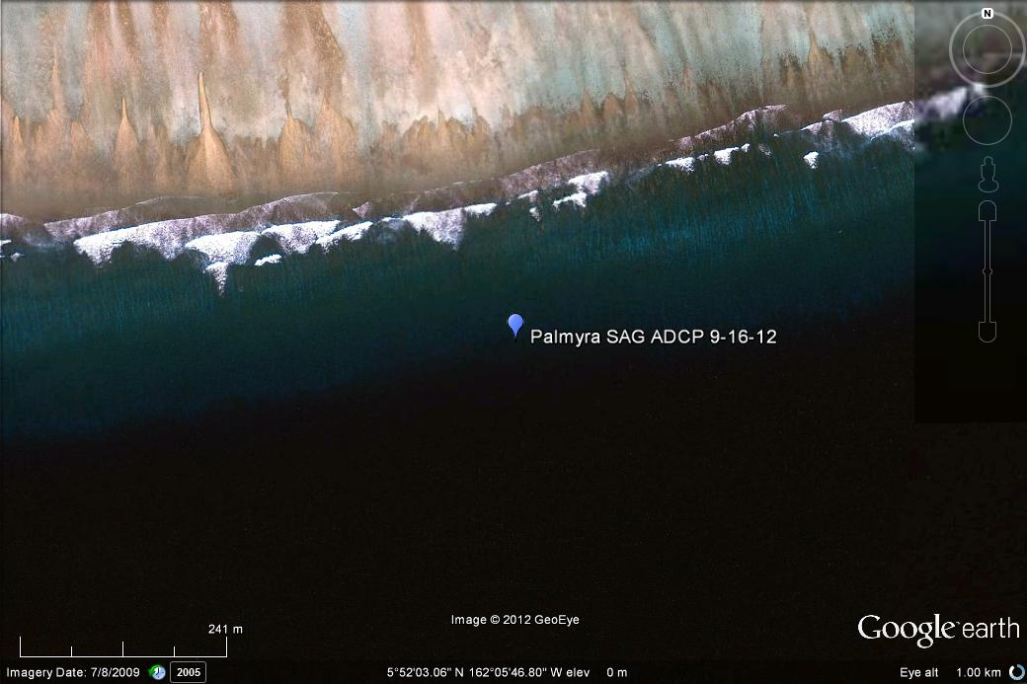
Spur and Groove Experiment
Location: Palmyra Atoll, South Fore reef, near FR5
Notes by Justin Rogers 9/26/12
Instruments deployed on 9/16/12 10:00
All instruments recovered on 9/26/12 13:00

Instrument | S/N | Mooring | Instrument in Water | Instrument Pulled | Sampling Rate (Hz) | Approx Depth (m) | Notes
1200MHz ADCP | 15704 | Groove | 9/16/12 | 9/26/12 | 0.67 | 10.0 | Same ADCP used at LG1 long term deployment
1200MHz ADCP | 15706 | Spur | 9/16/12 | 9/26/12 | 0.67 | 8.0 | Same ADCP used at RT4 long term deployment
RBR 1050 | 19228 | Groove | 9/16/12 | 9/26/12 | 1 | 10.0
RBR 1050 | 19232 | Spur | 9/16/12 | 9/26/12 | 1 | 8.0

Notes:
Horizontal length between moorings about 8.7m (28.5 ft)
Vertical height difference about 2.0m
Typical SAG wavelength about 8.7m*2 = 17.4m

